Sheet1
Book Model |  |  |  |  | CB Model (sklearn)
 | Estimate | Std. Error | z | Pr(>jzj) |  |  |  |  |  |  |  | diff
(Intercept) | -2.6632 | 0.182 | -14.64 | <0.0001 | Intercept | -2.668 |  |  |  | (Intercept) | -2.6632 | 0.00
city:Chicago | -0.4403 | 0.1142 | -3.85 | 0.0001 | city_c | -0.431711 |  |  |  | city:Chicago | -0.4403 | -0.01
college | -0.0666 | 0.1211 | -0.55 | 0.5821 | col | -0.065075 |  |  |  | college | -0.0666 | 0.00
experience | 0.02 | 0.0102 | 1.96 | 0.0503 | years_exp | 0.02064 |  |  |  | experience | 0.02 | 0.00
honors | 0.7694 | 0.1858 | 4.14 | <0.0001 | honors | 0.742463 |  |  |  | honors | 0.7694 | 0.03
military | -0.3422 | 0.2157 | -1.59 | 0.1127 | military | -0.322939 |  |  |  | military | -0.3422 | -0.02
email | 0.2183 | 0.1133 | 1.93 | 0.0541 | email | 0.214579 |  |  |  | email | 0.2183 | 0.00
race - white | 0.4424 | 0.108 | 4.1 | <0.0001 | race_w | 0.437099 |  |  |  | race - white | 0.4424 | 0.01
sex - male | -0.1818 | 0.1376 | -1.32 | 0.1863 | sex_m | -0.178898 |  |  |  | sex - male | -0.1818 | 0.00

CB Model (statsmodel)
 | coef | std err | z | P>|z|
const | -2.6632 | 0.182 | -14.636 | 0
col | -0.0666 | 0.121 | -0.55 | 0.582
years_exp | 0.02 | 0.01 | 1.957 | 0.05 |  |  |  |  |  | Pclass 0 | Pclass 2
honors | 0.7694 | 0.186 | 4.141 | 0 | Honors standalone example |  |  |  |  |  |  | Honors joint ex | Email joint ex
military | -0.3422 | 0.216 | -1.586 | 0.113 | intercept | -2.4998 |  |  |  | 1.44678 | 1.44678 | -2.6632 | -2.6632
email | 0.2183 | 0.113 | 1.926 | 0.054 | Coeff | 0.8668 | (applies when honors=1) |  |  | 0 | -1.70022 | 0.7694 | 0.214579
city_c | -0.4403 | 0.114 | -3.855 | 0 | logit pi Or log(pi/1-pi) | -1.633 |  |  |  | 1.44678 | -0.25344 | -1.8938 | -2.448621
race_w | 0.4424 | 0.108 | 4.095 | 0 | pi/1-pi | 0.19534266621 | this is the Odds Ratio |  |  | 4.2494093636 | 0.77612631111 | 0.15049882532 | 0.086412667443
sex_m | -0.1818 | 0.138 | -1.322 | 0.186 |  |  | The odds ratio is the multiplier that shows how the odds change for a one-unit increase in the value of the X.
 |  |  |  |  | pi | 0.16341980566 | this is the probability |  |  | 0.80950237813 | 0.43697697976 | 0.13081180268
 |  |  |  |  |  |  | i.e. the odds
- The odds ratio for the value of the intercept is the odds of a "success" when x = 0. The odds ratio for your coefficient is the increase in odds above this value of the intercept when you add one whole x value (i.e. x=1).
- Coeff returned by a logistic regression in r is a logit, or the log of the odds
- each regression coefficient indicates the change in the log odds of the DV due to a one unit change in the predictor variable with all other explanatory variables held constant.
-------------------------------------------------
Aditional notes:
- If you have scaled predictors, then the interpretation is the same, except the 'one unit change' means 1 standard deviation.
 |  |  |  |  |  |  |  |  |  | From Above
 |  |  |  |  |  |  |  | Based on OR: As we go from 0 to 1 we see that the

 |  |  |  |  |  |  |  | Class 0 column does not make sense
 |  |  |  |  |  |  |  | because there is no coefficient there.
 |  |  |  |  |  |  |  | Coefficient -- Odds ratio comes into play when there's a unit change i.e 0 to 1

 |  |  |  |  | CB MODEL - old
 |  |  |  |  |  | Estimate |  |  | Estimate
 |  |  |  |  | (Intercept) | -2.75 |  | (Intercept) | -2.6632
 |  |  |  |  | city:Chicago | -0.218148 |  | city:Chicago | -0.4403
 |  |  |  |  | college | -0.06497 |  | college | -0.0666
 |  |  |  |  | experience | 0.02056 |  | experience | 0.02
 |  |  |  |  | honors | 0.743321 |  | honors | 0.7694
 |  |  |  |  | military | -0.324322 |  | military | -0.3422
 |  |  |  |  | email | 0.214944 |  | email | 0.2183
 |  |  |  |  | race - white | 0.219118 |  | race - white | 0.4424
 |  |  |  |  | sex - male | -0.091281 |  | sex - male | -0.1818

Chk
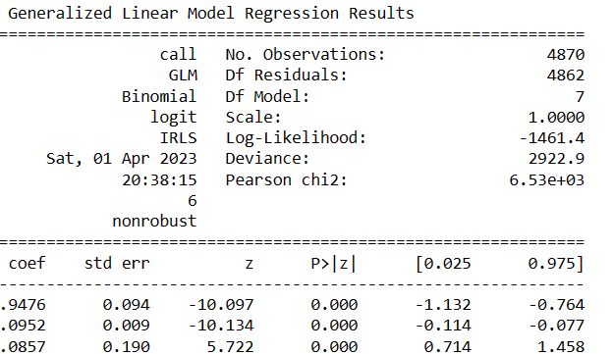
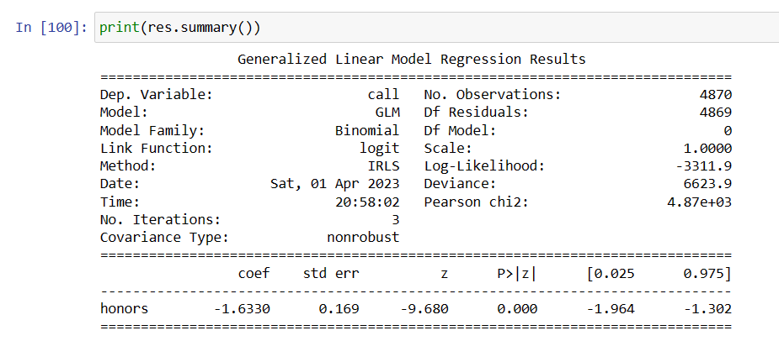

HONORS - Standalone result
-- Check out CHI Sq in the result

